Sheet1
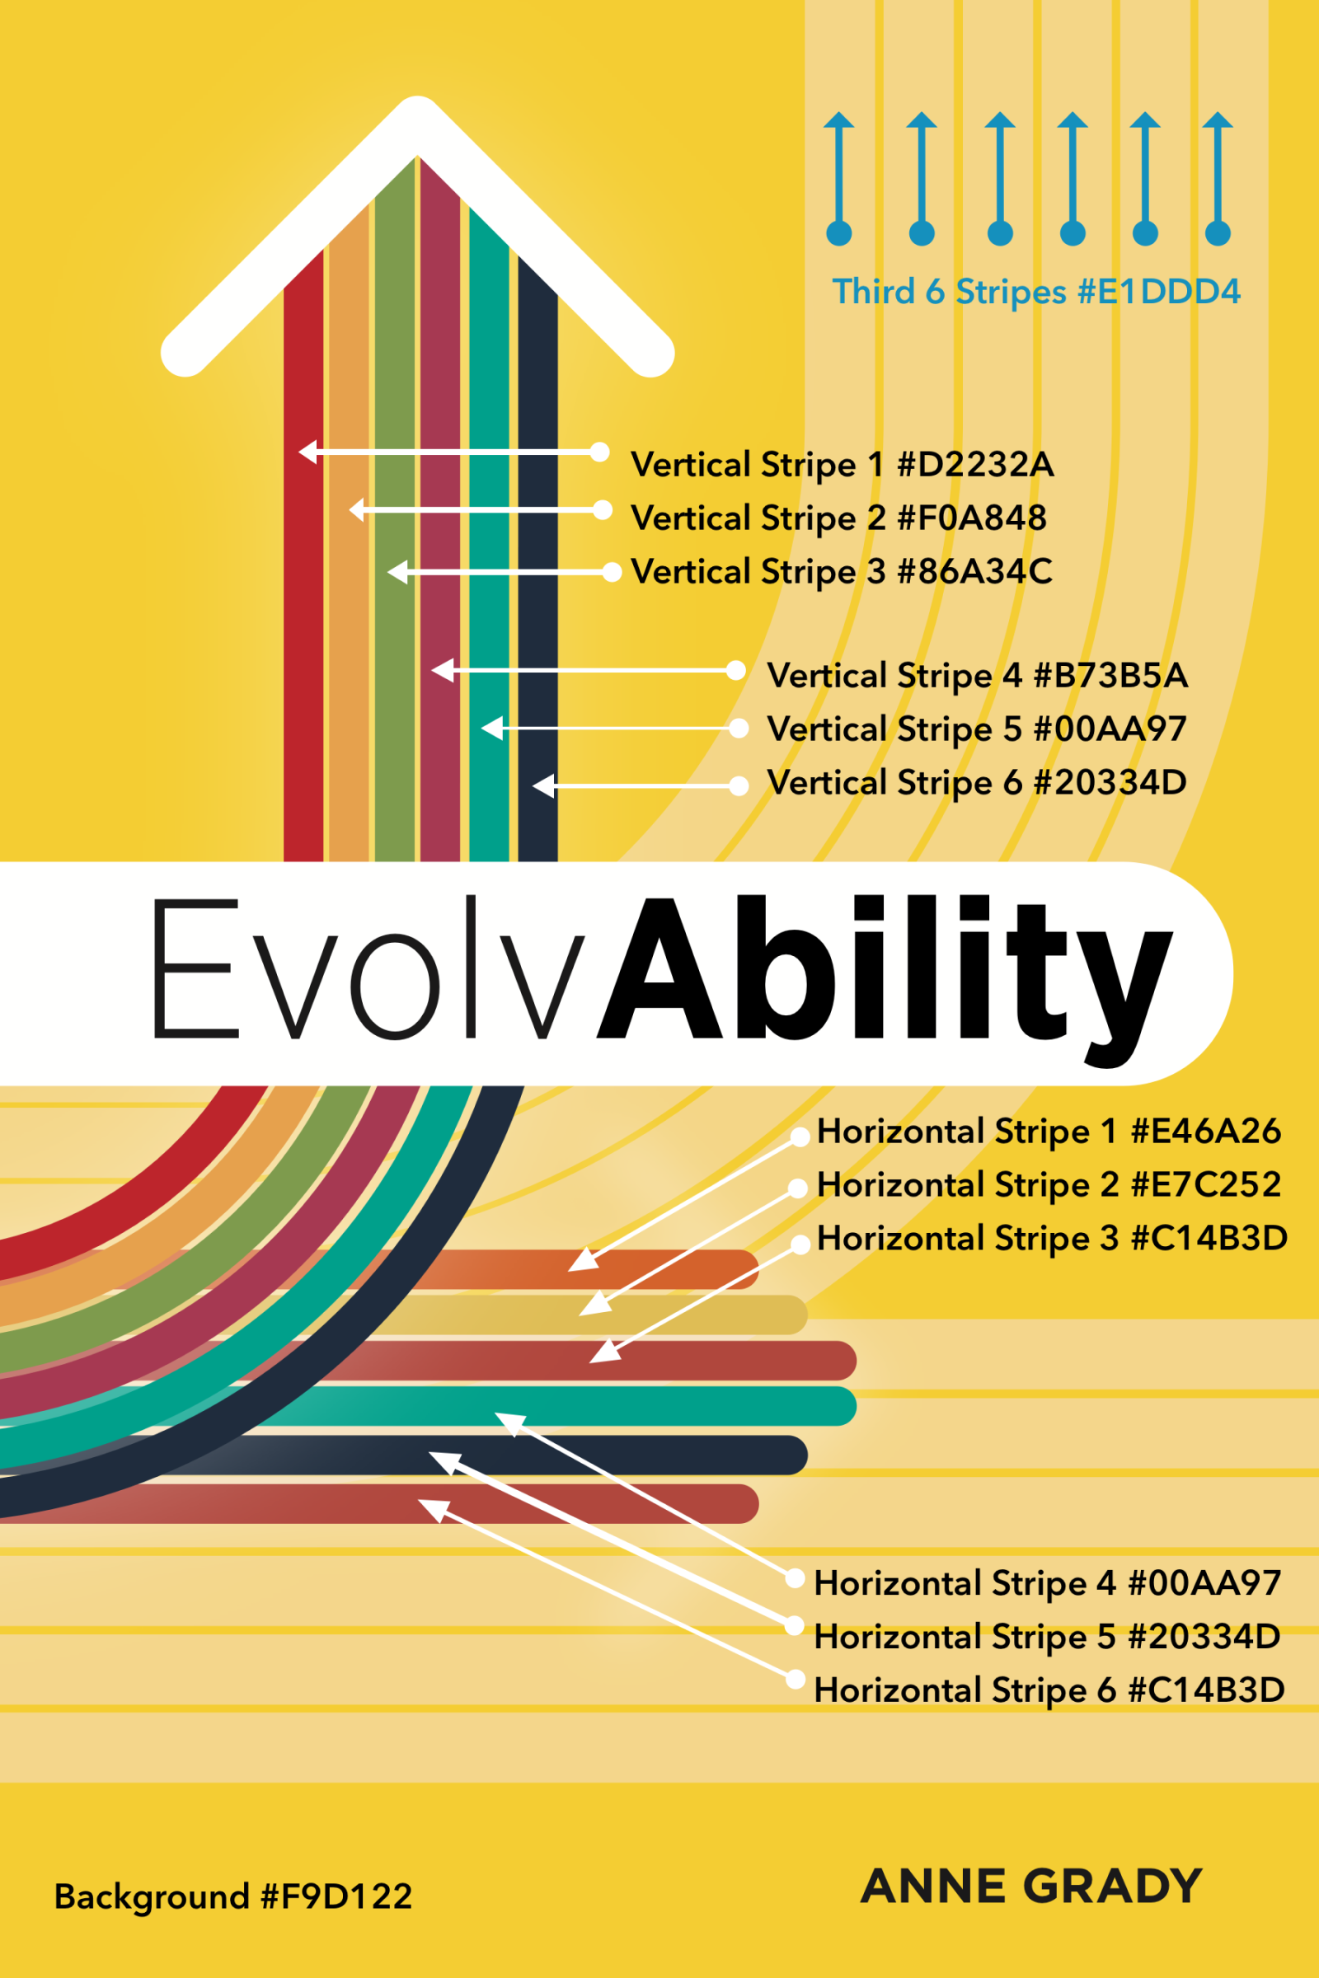
EvolvAbility Color Codes
Type | Where | Color | HEX | Red | Green | Blue | Link
AGG | Not On Book |  | 1590BD | 21 | 144 | 189 | https://www.colorhexa.com/1590BD
AGG | Not On Book |  | E6541F | 230 | 84 | 31 | https://www.colorhexa.com/E6541F
AGG | Not On Book |  | 444444 | 68 | 68 | 68 | https://www.colorhexa.com/444444
Bacgkround | Background |  | F9D122 | 249 | 209 | 34 | https://www.colorhexa.com/F9D122
Primary | Vertical Stripe 6 |  | 20334D | 32 | 51 | 77 | https://www.colorhexa.com/20334D
Primary | Vertical Stripe 5 |  | 00AA97 | 0 | 170 | 151 | https://www.colorhexa.com/00AA97
Primary | Vertical Stripe 4 |  | B73B5A | 183 | 59 | 90 | https://www.colorhexa.com/B73B5A
Primary | Vertical Stripe 3 |  | 86A34C | 134 | 163 | 76 | https://www.colorhexa.com/86A34C
Primary | Vertical Stripe 2 |  | F0A848 | 240 | 168 | 72 | https://www.colorhexa.com/F0A848
Primary | Vertical Stripe 1 |  | D2232A | 210 | 35 | 42 | https://www.colorhexa.com/D2232A
Secondary | Horizontal Stripe 6 |  | C14B3D | 193 | 75 | 61 | https://www.colorhexa.com/C14B3D
Secondary | Horizontal Stripe 5 |  | 20334D | 32 | 51 | 77 | https://www.colorhexa.com/20334D
Secondary | Horizontal Stripe 4 |  | 00AA97 | 0 | 170 | 151 | https://www.colorhexa.com/00AA97
Secondary | Horizontal Stripe 3 |  | C14B3D | 193 | 75 | 61 | https://www.colorhexa.com/C14B3D
Secondary | Horizontal Stripe 2 |  | E7C252 | 231 | 194 | 82 | https://www.colorhexa.com/E7C252
Secondary | Horizontal Stripe 1 |  | E46A26 | 228 | 106 | 38 | https://www.colorhexa.com/E46A26
Third | 6 Stripes |  | E1DDD4 | 225 | 221 | 212 | https://www.colorhexa.com/E1DDD4

